Picture
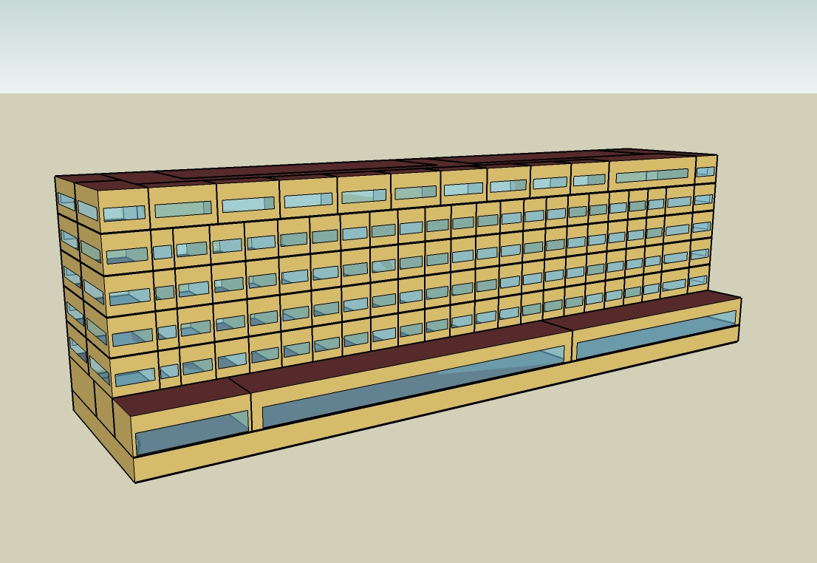
DOE Commercial Building Benchmark - Large Hotel

Electricity
 | Cooling | Interior Lighting | Exterior Lighting | Interior Equipment | Fans | Pumps | Refrigeration
Miami | 518,494.44 | 403,711.11 | 15,175.00 | 542,272.22 | 310,763.89 | 34,330.56 | 21,797.22
Houston | 397,261.11 | 403,711.11 | 15,169.44 | 542,272.22 | 309,008.33 | 30,266.67 | 21,100.00
Phoenix | 362,644.44 | 403,711.11 | 15,166.67 | 542,272.22 | 315,519.44 | 26,022.22 | 21,263.89
Atlanta | 261,219.44 | 403,711.11 | 15,163.89 | 542,272.22 | 312,216.67 | 23,741.67 | 20,494.44
Los Angeles | 180,819.44 | 403,711.11 | 15,152.78 | 542,272.22 | 307,188.89 | 18,994.44 | 20,541.67
Las Vegas | 280,411.11 | 403,711.11 | 15,150.00 | 542,272.22 | 316,113.89 | 21,980.56 | 20,794.44
San Francisco | 116,758.33 | 403,711.11 | 15,158.33 | 542,272.22 | 320,261.11 | 16,150.00 | 20,025.00
Baltimore | 212,569.44 | 403,711.11 | 15,150.00 | 542,272.22 | 308,969.44 | 21,516.67 | 20,036.11
Albuquerque | 167,736.11 | 403,711.11 | 15,155.56 | 542,272.22 | 317,869.44 | 18,244.44 | 20,063.89
Seattle | 94,272.22 | 403,711.11 | 15,125.00 | 542,272.22 | 308,472.22 | 15,375.00 | 19,666.67
Chicago | 161,666.67 | 403,711.11 | 15,150.00 | 542,272.22 | 309,352.78 | 19,672.22 | 19,713.89
Boulder | 131,775.00 | 403,711.11 | 15,141.67 | 542,272.22 | 315,652.78 | 17,025.00 | 19,702.78
Minneapolis | 148,638.89 | 403,711.11 | 15,141.67 | 542,272.22 | 309,897.22 | 19,825.00 | 19,558.33
Helena | 101,858.33 | 403,711.11 | 15,138.89 | 542,272.22 | 313,672.22 | 16,580.56 | 19,375.00
Duluth | 93,669.44 | 403,711.11 | 15,130.56 | 542,272.22 | 313,241.67 | 17,269.44 | 19,111.11
Fairbanks | 84,919.44 | 403,711.11 | 15,036.11 | 542,272.22 | 329,772.22 | 18,863.89 | 18,755.56

Gas
 | Heating | Interior Equipment | Water Systems
Miami | 160,140.00 | 1,238,650.00 | 3,733,730.00
Houston | 772,390.00 | 1,238,650.00 | 4,733,760.00
Phoenix | 473,610.00 | 1,238,650.00 | 4,159,320.00
Atlanta | 1,341,910.00 | 1,238,650.00 | 5,696,910.00
Los Angeles | 418,970.00 | 1,238,650.00 | 5,509,670.00
Las Vegas | 762,890.00 | 1,238,650.00 | 4,851,590.00
San Francisco | 814,690.00 | 1,238,650.00 | 6,333,890.00
Baltimore | 2,263,010.00 | 1,238,650.00 | 6,453,970.00
Albuquerque | 1,550,400.00 | 1,238,650.00 | 6,310,440.00
Seattle | 1,965,010.00 | 1,238,650.00 | 6,847,790.00
Chicago | 3,203,720.00 | 1,238,650.00 | 7,118,450.00
Boulder | 2,341,420.00 | 1,238,650.00 | 7,083,790.00
Minneapolis | 4,169,370.00 | 1,238,650.00 | 7,692,620.00
Helena | 3,482,220.00 | 1,238,650.00 | 7,796,880.00
Duluth | 5,083,060.00 | 1,238,650.00 | 8,639,650.00
Fairbanks | 8,136,520.00 | 1,238,650.00 | 9,786,010.00

EUI
 | Cooling (elec) | Interior Lighting (elec) | Exterior Lighting (elec) | Interior Equipment (elec) | Fans (elec) | Pumps (elec) | Refrigeration (elec) | Heating (gas) | Interior Equipment (gas) | Water Systems (gas)
Miami | 164.52 | 128.10 | 4.82 | 172.07 | 98.61 | 10.89 | 6.92 | 14.12 | 109.18 | 329.10
Houston | 126.06 | 128.10 | 4.81 | 172.07 | 98.05 | 9.60 | 6.70 | 68.08 | 109.18 | 417.24
Phoenix | 115.07 | 128.10 | 4.81 | 172.07 | 100.12 | 8.26 | 6.75 | 41.75 | 109.18 | 366.61
Atlanta | 82.89 | 128.10 | 4.81 | 172.07 | 99.07 | 7.53 | 6.50 | 118.28 | 109.18 | 502.14
Los Angeles | 57.38 | 128.10 | 4.81 | 172.07 | 97.47 | 6.03 | 6.52 | 36.93 | 109.18 | 485.64
Las Vegas | 88.98 | 128.10 | 4.81 | 172.07 | 100.31 | 6.97 | 6.60 | 67.24 | 109.18 | 427.63
San Francisco | 37.05 | 128.10 | 4.81 | 172.07 | 101.62 | 5.12 | 6.35 | 71.81 | 109.18 | 558.28
Baltimore | 67.45 | 128.10 | 4.81 | 172.07 | 98.04 | 6.83 | 6.36 | 199.47 | 109.18 | 568.87
Albuquerque | 53.22 | 128.10 | 4.81 | 172.07 | 100.86 | 5.79 | 6.37 | 136.66 | 109.18 | 556.22
Seattle | 29.91 | 128.10 | 4.80 | 172.07 | 97.88 | 4.88 | 6.24 | 173.20 | 109.18 | 603.58
Chicago | 51.30 | 128.10 | 4.81 | 172.07 | 98.16 | 6.24 | 6.26 | 282.38 | 109.18 | 627.44
Boulder | 41.81 | 128.10 | 4.80 | 172.07 | 100.16 | 5.40 | 6.25 | 206.38 | 109.18 | 624.38
Minneapolis | 47.16 | 128.10 | 4.80 | 172.07 | 98.33 | 6.29 | 6.21 | 367.50 | 109.18 | 678.05
Helena | 32.32 | 128.10 | 4.80 | 172.07 | 99.53 | 5.26 | 6.15 | 306.93 | 109.18 | 687.23
Duluth | 29.72 | 128.10 | 4.80 | 172.07 | 99.40 | 5.48 | 6.06 | 448.03 | 109.18 | 761.52
Fairbanks | 26.95 | 128.10 | 4.77 | 172.07 | 104.64 | 5.99 | 5.95 | 717.17 | 109.18 | 862.56

Water
 | Total Building | Water for Electricity (m3)
Miami | 44,332.90 | 1,117.66
Houston | 44,332.90 | 3,224.96
Phoenix | 44,332.90 | 57,923.70
Atlanta | 44,332.90 | 11,500.90
Los Angeles | 44,332.90 | 30,759.20
Las Vegas | 44,332.90 | 51,131.20
San Francisco | 44,332.90 | 29,805.00
Baltimore | 44,332.90 | 405.82
Albuquerque | 44,332.90 | 7,938.50
Seattle | 44,332.90 | 16,981.30
Chicago | 44,332.90 | 2,691.64
Boulder | 44,332.90 | 7,758.55
Minneapolis | 44,332.90 | 2,673.37
Helena | 44,332.90 | 106,195.00
Duluth | 44,332.90 | 2,589.38
Fairbanks | 44,332.90 | 1,716.03

Carbon
 | Carbon Equivalent (kg)
Miami | 671,152.64
Houston | 782,748.07
Phoenix | 694,538.53
Atlanta | 716,677.45
Los Angeles | 333,981.10
Las Vegas | 752,190.84
San Francisco | 349,628.97
Baltimore | 661,882.28
Albuquerque | 878,249.96
Seattle | 302,312.23
Chicago | 1,133,450.00
Boulder | 890,270.71
Minneapolis | 826,062.63
Helena | 838,375.38
Duluth | 841,087.77
Fairbanks | 818,149.87

LghtSch
Lighting Schedules
 | WD | Saturday | Sunday
 | 0.2 | 0.2 | 0.3
 | 0.15 | 0.2 | 0.3
 | 0.1 | 0.1 | 0.2
 | 0.1 | 0.1 | 0.2
 | 0.1 | 0.1 | 0.2
 | 0.2 | 0.1 | 0.2
 | 0.4 | 0.3 | 0.3
 | 0.5 | 0.3 | 0.4
 | 0.4 | 0.4 | 0.4
 | 0.4 | 0.4 | 0.3
 | 0.25 | 0.3 | 0.3
 | 0.25 | 0.25 | 0.3
 | 0.25 | 0.25 | 0.3
 | 0.25 | 0.25 | 0.2
 | 0.25 | 0.25 | 0.2
 | 0.25 | 0.25 | 0.2
 | 0.25 | 0.25 | 0.2
 | 0.25 | 0.25 | 0.2
 | 0.6 | 0.6 | 0.5
 | 0.8 | 0.7 | 0.7
 | 0.9 | 0.7 | 0.8
 | 0.8 | 0.7 | 0.6
 | 0.6 | 0.6 | 0.5
 | 0.3 | 0.3 | 0.3

RmLghtSch
Guest Room Lighting Schedules
 | Weekday | Weekend
 | 0.22 | 0.26
 | 0.17 | 0.26
 | 0.11 | 0.11
 | 0.11 | 0.11
 | 0.11 | 0.11
 | 0.22 | 0.11
 | 0.44 | 0.41
 | 0.56 | 0.41
 | 0.44 | 0.56
 | 0.44 | 0.56
 | 0.28 | 0.41
 | 0.28 | 0.33
 | 0.28 | 0.33
 | 0.28 | 0.33
 | 0.28 | 0.33
 | 0.28 | 0.33
 | 0.28 | 0.33
 | 0.28 | 0.33
 | 0.67 | 0.85
 | 0.89 | 1
 | 1 | 1
 | 0.89 | 1
 | 0.67 | 0.85
 | 0.33 | 0.41

EqpSch
Equipment Schedules
 | Weekday | Saturday | Sunday
 | 0.3 | 0.3 | 0.4
 | 0.25 | 0.3 | 0.4
 | 0.2 | 0.2 | 0.3
 | 0.2 | 0.2 | 0.3
 | 0.2 | 0.2 | 0.3
 | 0.3 | 0.2 | 0.3
 | 0.5 | 0.4 | 0.4
 | 0.6 | 0.4 | 0.5
 | 0.5 | 0.5 | 0.5
 | 0.5 | 0.5 | 0.4
 | 0.35 | 0.4 | 0.4
 | 0.35 | 0.35 | 0.4
 | 0.35 | 0.35 | 0.4
 | 0.35 | 0.35 | 0.3
 | 0.35 | 0.35 | 0.3
 | 0.35 | 0.35 | 0.3
 | 0.35 | 0.35 | 0.3
 | 0.35 | 0.35 | 0.3
 | 0.7 | 0.7 | 0.6
 | 0.9 | 0.8 | 0.8
 | 0.95 | 0.8 | 0.9
 | 0.9 | 0.8 | 0.7
 | 0.7 | 0.7 | 0.6
 | 0.4 | 0.4 | 0.4

RmEqpSch
Guest Room Equipment Schedules
 | Weekday | Weekend
 | 0.2 | 0.2
 | 0.2 | 0.2
 | 0.2 | 0.2
 | 0.2 | 0.2
 | 0.2 | 0.2
 | 0.2 | 0.2
 | 0.62 | 0.3
 | 0.9 | 0.62
 | 0.43 | 0.9
 | 0.43 | 0.62
 | 0.26 | 0.29
 | 0.26 | 0.29
 | 0.26 | 0.29
 | 0.26 | 0.29
 | 0.26 | 0.29
 | 0.26 | 0.29
 | 0.26 | 0.29
 | 0.51 | 0.43
 | 0.51 | 0.51
 | 0.49 | 0.49
 | 0.66 | 0.66
 | 0.7 | 0.7
 | 0.35 | 0.35
 | 0.2 | 0.2

OccSch
Occupancy Schedules
 | Weekday | Saturday | Sunday
 | 0.9 | 0.9 | 0.7
 | 0.9 | 0.9 | 0.7
 | 0.9 | 0.9 | 0.7
 | 0.9 | 0.9 | 0.7
 | 0.9 | 0.9 | 0.7
 | 0.9 | 0.9 | 0.7
 | 0.7 | 0.7 | 0.7
 | 0.4 | 0.5 | 0.7
 | 0.4 | 0.5 | 0.5
 | 0.2 | 0.3 | 0.5
 | 0.2 | 0.3 | 0.5
 | 0.2 | 0.3 | 0.3
 | 0.2 | 0.3 | 0.3
 | 0.2 | 0.3 | 0.2
 | 0.2 | 0.3 | 0.2
 | 0.3 | 0.3 | 0.2
 | 0.5 | 0.3 | 0.3
 | 0.5 | 0.5 | 0.4
 | 0.5 | 0.6 | 0.4
 | 0.7 | 0.6 | 0.6
 | 0.7 | 0.6 | 0.6
 | 0.8 | 0.7 | 0.8
 | 0.9 | 0.7 | 0.8
 | 0.9 | 0.7 | 0.8

RmOccSch
Occupancy Schedules
 | Weekday | Weekend
 | 0.65 | 0.65
 | 0.65 | 0.65
 | 0.65 | 0.65
 | 0.65 | 0.65
 | 0.65 | 0.65
 | 0.65 | 0.65
 | 0.5 | 0.5
 | 0.28 | 0.34
 | 0.28 | 0.34
 | 0.13 | 0.2
 | 0.13 | 0.2
 | 0.13 | 0.2
 | 0.13 | 0.2
 | 0.13 | 0.2
 | 0.13 | 0.2
 | 0.2 | 0.2
 | 0.35 | 0.2
 | 0.35 | 0.34
 | 0.35 | 0.35
 | 0.5 | 0.65
 | 0.5 | 0.65
 | 0.58 | 0.5
 | 0.65 | 0.5
 | 0.65 | 0.5

HeatSch
Heating Set Point Schedules
 | All
 | 21
 | 21
 | 21
 | 21
 | 21
 | 21
 | 21
 | 21
 | 21
 | 21
 | 21
 | 21
 | 21
 | 21
 | 21
 | 21
 | 21
 | 21
 | 21
 | 21
 | 21
 | 21
 | 21
 | 21

CoolSch
Cooling Set Point Schedules
 | All
 | 24
 | 24
 | 24
 | 24
 | 24
 | 24
 | 24
 | 24
 | 24
 | 24
 | 24
 | 24
 | 24
 | 24
 | 24
 | 24
 | 24
 | 24
 | 24
 | 24
 | 24
 | 24
 | 24
 | 24

